Mylookup
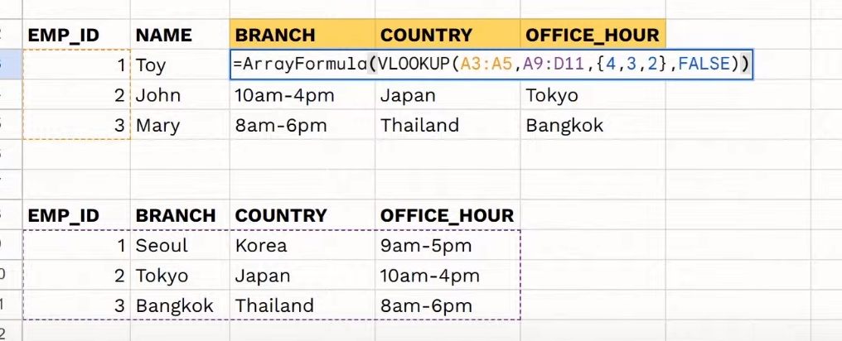
EMP_ID | NAME | BRANCH | COUNTRY | OFFICE_HOUR
1 | Toy
2 | John
3 | Mary

EMP_ID | BRANCH | COUNTRY | OFFICE_HOUR
1 | Seoul | Korea | 9am-5pm
2 | Tokyo | Japan | 10am-4pm
3 | Bangkok | Thailand | 8am-6pm

1. Using Vllokup (Key Search , Area that look up, Field Return , FALSE <Exact Match>)
EMP_ID | NAME | BRANCH | COUNTRY | OFFICE_HOUR
1 | Toy | Seoul | Korea | 9am-5pm
2 | John | Tokyo | Japan | 10am-4pm
3 | Mary | Bangkok | Thailand | 8am-6pm

2. Using xlookup (Column ที่ใช้เป็น Key , Key ที่ Range จะหา , Column ที่ต้องกาให้แสดงค่า )
EMP_ID | NAME | BRANCH | COUNTRY | OFFICE_HOUR
1 | Toy | Seoul | Korea | 9am-5pm
2 | John | Tokyo | Japan | 10am-4pm
3 | Mary | Bangkok | Thailand | 8am-6pm

3. using vlookup 1 command all data
EMP_ID | NAME | BRANCH | COUNTRY | OFFICE_HOUR
1 | Toy | Seoul | Korea | 9am-5pm
2 | John | Tokyo | Japan | 10am-4pm
3 | Mary | Bangkok | Thailand | 8am-6pm

